index & match
Index & Match

Data |  |  |  |  | Homework
Sales Person | No. Customers | Net Sales | Profit / Loss | Profit Ratio | Questions | Answer | Formula
Joseph | 8 | 1,592 | 563 | 35% | 1. Which person made sales = 1088 | John | INDEX($B$4:$B$17,MATCH(1088,$D$4:$D$17,0))
John | 8 | 1,088 | 397 | 36% | 2. Who made maximum sales? | Juno | INDEX($B$4:$B$17,MATCH(MAX($D$5:$D$17),$D$4:$D$17,0))
Josh | 8 | 1,680 | 753 | 45% | 3. Who sold to minimum number of customers? | Jessy | INDEX($B$4:$B$17,MATCH(MIN($C$5:$C$17),$C$4:$C$17,0))
Jamie | 9 | 2,133 | 923 | 43% | 4. What is sale per customer for the person who has lowest profit ratio? | 119 | INDEX($D$4:$D$17,MATCH(MIN($F$5:$F$17),$F$4:$F$17,0))/INDEX($C$4:$C$17,MATCH(MIN($F$5:$F$17),$F$4:$F$17,0))
Jackie | 10 | 1,610 | 579 | 36% | 5. Who sold second highest? | Javed | INDEX($B$4:$B$17,MATCH(LARGE($D$5:$D$17,2),$D$4:$D$17,0))
Johnson | 10 | 1,540 | 570 | 37% | 6. What is the Profit Ratio rank of person who sold second highest? | 3 | MATCH(INDEX($D$5:$F$17,MATCH(LARGE($D$5:$D$17,2),$D$5:$D$17,0),3),SORT($F$5:$F$17,,-1),0)
Jonathan | 7 | 1,316 | 428 | 32% | 7. What is difference in sale per customer between the highest selling & lowest selling sales persons? | 179 | (MAX($D$5:$D$17)/INDEX($C$4:$F$17,MATCH(MAX($D$5:$D$17),$D$4:$D$17,0),1))-(MIN($D$5:$D$17)/INDEX($C$4:$F$17,MATCH(MIN($D$5:$D$17),$D$4:$D$17,0),1))
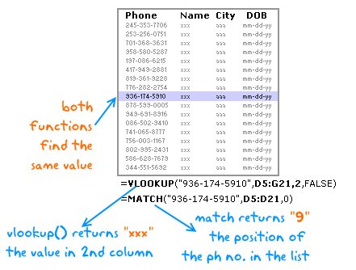
Jagjit | 7 | 1,799 | 709 | 39%
Jairam | 8 | 1,624 | 621 | 38% |  | 2os tropos gia profit ratio :
Jessy | 6 | 726 | 236 | 32% |  | 3 | RANK.EQ(INDEX(Profit_Ratio,MATCH(LARGE(Net_Sales,2),Net_Sales,0)),Profit_Ratio,0)
Javed | 9 | 2,277 | 966 | 42%
Jimmy | 6 | 714 | 221 | 31%
Juno | 9 | 2,682 | 1,023 | 38%

